Application_Screen
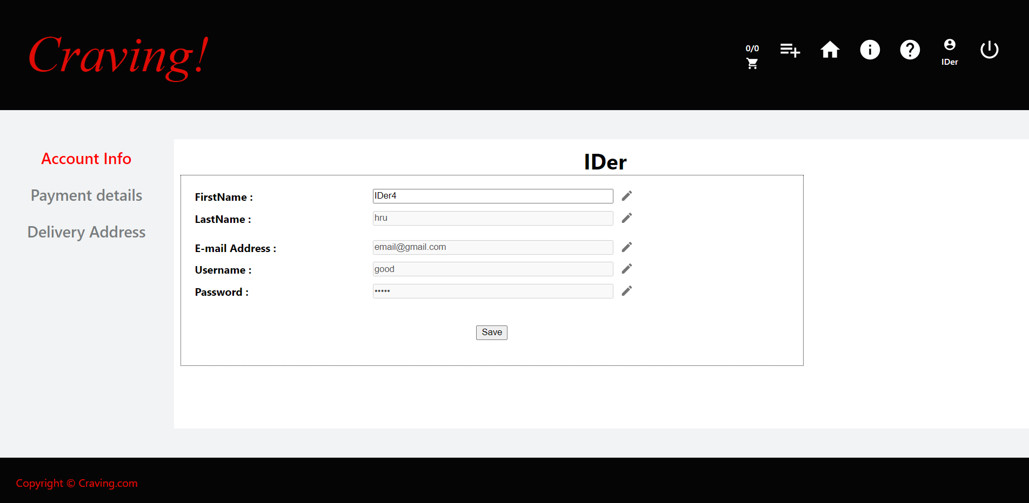

Test Case 10
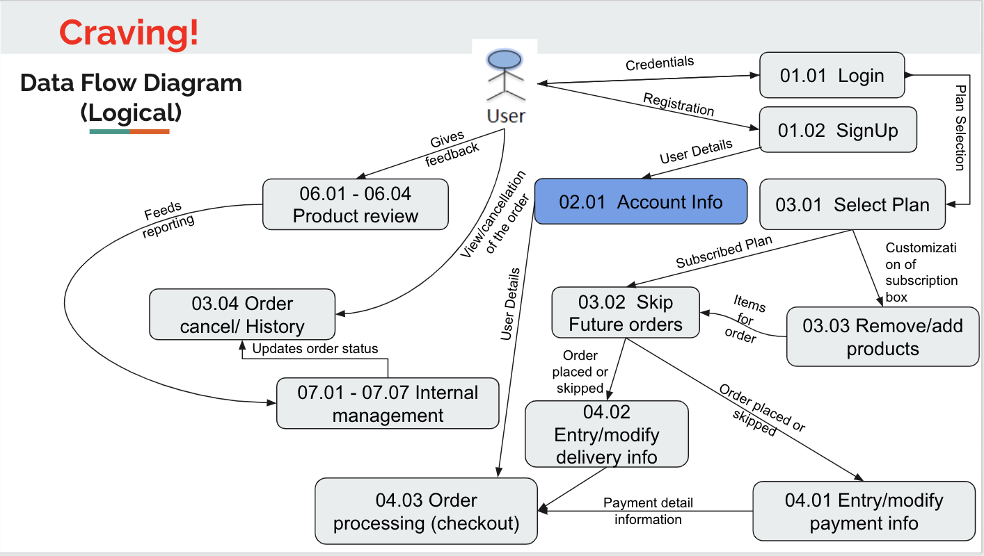
TC Title: | TC10. Account Info - DF-In - Data Flow In

TC Objective: | This test case validates the data flows in from the Authentication module to the Account Info feature, and the data is populated on the Account Info page in each field

TC Description
 | Step | Step Description | Expected Results
 | 1 | Verify the data is prepopulated in each of the data fields on the Account Info page with the same exact data that was entered during sign up process | User registers and enters the information, navigates to the Account Info page and sees the data populated in each data field on the Account Info page with exact same data that was entered during sign up

